How to Download
 | Click "File"

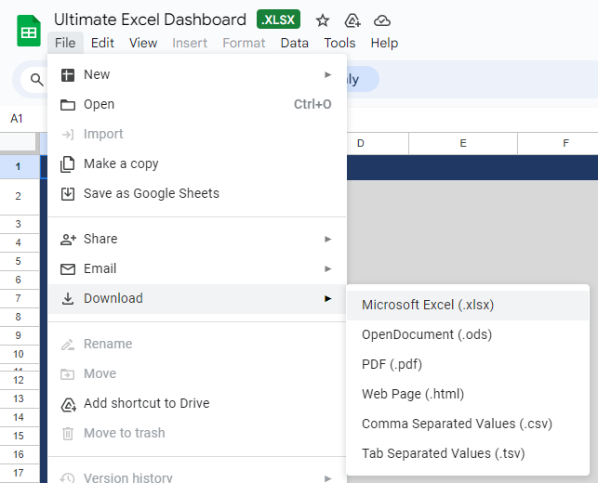

then Choose Download to Microsoft Excel

Dashboard

SALES DASHBOARD 2023

FI
$ 4,550
Sales
$ 647
842
Customers
Profit

Customers per Month vs Last Year
Customer Satisfaction Rate

 | Sum of Customers | Sum of Customers Last Year
Jan | 19 | 73
Feb | 21 | 61
Mar | 25 | 55
Apr | 52 | 91
May | 49 | 76
Jun | 49 | 72
Jul | 79 | 79
Aug | 90 | 84
Sep | 77 | 97
Oct | 129 | 130
Nov | 127 | 119
Dec | 125 | 124
 | Total
Average of Customer Satisfaction Rate | 42%
Average of Customer Unsatisfaction Rate | 58%

42%

Monthly Sales vs Target
 | Sum of Sales | Sum of Target Sales
Jan | 446 | 421
Feb | 318 | 456
Mar | 315 | 385
Apr | 270 | 354
May | 473 | 441
Jun | 359 | 472
Jul | 375 | 234
Aug | 490 | 380
Sep | 297 | 331
Oct | 444 | 444
Nov | 377 | 376
Dec | 386 | 315
Region | Sales | Profit | Customers
Argentina | 618 | 96 | 130
Brazil | 618 | 87 | 115
Chicaco | 676 | 87 | 124
Chile | 568 | 99 | 117
Columbia | 691 | 106 | 118
Los Angeles | 757 | 101 | 116
Peru | 622 | 71 | 122
Grand Total | 4550 | 647 | 842

Pivot Tables
Values |  |  | Metric | Value
Sum of Sales | 4,550 |  | Sum of Sales | $4,550
Sum of Profit | 647 |  | Sum of Profit | $647
Sum of Customers | 842 |  | Sum of Customers | 842

Row Labels | Sum of Customers | Sum of Customers Last Year
Jan | 19 | 73
Feb | 21 | 61
Mar | 25 | 55
Apr | 52 | 91 |  |  |  |  | Region | Sales | Profit | Customers
May | 49 | 76 |  |  |  |  | Argentina | 618 | 96 | 130
Jun | 49 | 72 |  |  |  |  | Brazil | 618 | 87 | 115
Jul | 79 | 79 |  |  |  |  | Chicaco | 676 | 87 | 124
Aug | 90 | 84 |  |  |  |  | Chile | 568 | 99 | 117
Sep | 77 | 97 |  |  |  |  | Columbia | 691 | 106 | 118
Oct | 129 | 130 |  |  |  |  | Los Angeles | 757 | 101 | 116
Nov | 127 | 119 |  |  |  |  | Peru | 622 | 71 | 122
Dec | 125 | 124 |  |  |  |  | Grand Total | 4550 | 647 | 842
Grand Total | 842 | 1061

Values
Average of Customer Satisfaction Rate | 42% |  |  |  | Average of Customer Satisfaction Rate | 42%
Average of Customer Unsatisfaction Rate | 58% |  |  |  | Average of Customer Unsatisfaction Rate | 58%

Row Labels | Sum of Sales | Sum of Target Sales
Jan | 446 | 421
Feb | 318 | 456
Mar | 315 | 385
Apr | 270 | 354
May | 473 | 441
Jun | 359 | 472
Jul | 375 | 234
Aug | 490 | 380
Sep | 297 | 331
Oct | 444 | 444
Nov | 377 | 376
Dec | 386 | 315
Grand Total | 4550 | 4609

